Results
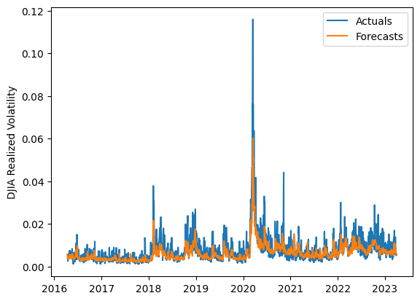
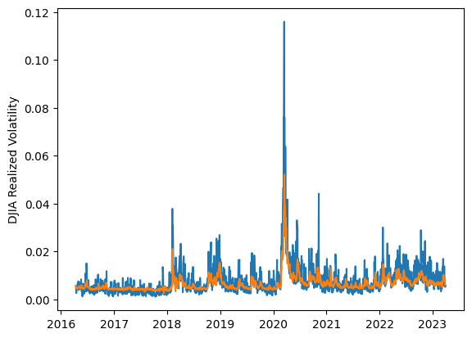
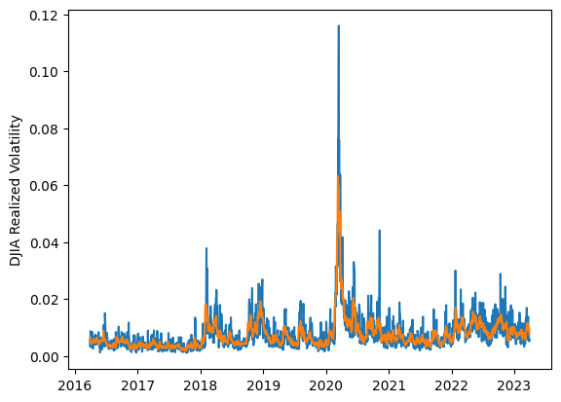
 | LSTM |  |  | TCN |  |  | NBEATSx |  |  |  |  | LSTM |  |  | TCN |  |  | NBEATSx
 | Accuracy | RMSE | Qlike | Accuracy | RMSE | Qlike | Accuracy | RMSE | Qlike |  |  | Accuracy | RMSE | Qlike | Accuracy | RMSE | Qlike | Accuracy | RMSE | Qlike
Trial 1 | 59.03% | 0.262% | 0.106 | 65.48% | 0.257% | 0.092 | 64.82% | 0.249% | 0.089 |  | Mean | 63.36% | 0.252% | 0.094 | 64.57% | 0.255% | 0.093 | 65.03% | 0.247% | 0.087
Trial 2 | 69.02% | 0.242% | 0.076 | 64.88% | 0.250% | 0.090 | 63.63% | 0.251% | 0.087 |  | Standard Deviation | 5.84% | 0.013% | 0.020 | 1.58% | 0.005% | 0.005 | 0.76% | 0.002% | 0.003
Trial 3 | 61.57% | 0.253% | 0.097 | 64.53% | 0.254% | 0.093 | 64.85% | 0.246% | 0.087 |  | 95% CI upper bound | 75.05% | 0.278% | 0.133 | 67.72% | 0.264% | 0.102 | 66.56% | 0.251% | 0.094
Trial 4 | 68.40% | 0.246% | 0.080 | 63.98% | 0.260% | 0.097 | 64.85% | 0.246% | 0.087 |  | 95% CI lower bound | 51.68% | 0.227% | 0.054 | 61.41% | 0.245% | 0.084 | 63.51% | 0.242% | 0.081
Trial 5 | 47.73% | 0.288% | 0.153 | 63.08% | 0.251% | 0.095 | 65.76% | 0.246% | 0.088 |  | 99.7% CI upper bound | 80.89% | 0.290% | 0.153 | 69.29% | 0.269% | 0.107 | 67.32% | 0.254% | 0.097
Trial 6 | 62.03% | 0.252% | 0.096 | 64.48% | 0.250% | 0.092 | 65.40% | 0.245% | 0.085 |  | 99.7% CI lower bound | 45.83% | 0.214% | 0.034 | 59.84% | 0.240% | 0.080 | 62.75% | 0.240% | 0.078
Trial 7 | 70.11% | 0.247% | 0.077 | 67.16% | 0.252% | 0.085 | 65.28% | 0.251% | 0.095
Trial 8 | 65.49% | 0.244% | 0.085 | 63.80% | 0.261% | 0.099 | 64.68% | 0.246% | 0.085
Trial 9 | 57.98% | 0.268% | 0.109 | 65.46% | 0.255% | 0.091 | 63.49% | 0.247% | 0.084
Trial 10 | 66.68% | 0.243% | 0.082 | 63.28% | 0.254% | 0.096 | 65.37% | 0.243% | 0.085
Trial 11 | 58.58% | 0.260% | 0.107 | 62.10% | 0.255% | 0.098 | 65.81% | 0.245% | 0.088
Trial 12 | 63.99% | 0.249% | 0.089 | 65.84% | 0.247% | 0.086 | 66.45% | 0.248% | 0.094
Trial 13 | 67.70% | 0.243% | 0.079 | 67.41% | 0.266% | 0.088 | 65.04% | 0.248% | 0.088
Trial 14 | 64.34% | 0.246% | 0.089 | 62.18% | 0.253% | 0.100 | 65.25% | 0.243% | 0.084
Trial 15 | 67.75% | 0.241% | 0.079 | 64.82% | 0.252% | 0.093 | 64.81% | 0.247% | 0.086

 | LSTM (best trial) |  |  |  |  |  |  |  |  | TCN (best trial) |  |  |  |  |  |  |  |  | NBEATSx (best trial)

